Sheet1
The report of this scenario is to find yellow stars which are most likely to have nearby planets that could possibly support life just like our solar system star, sun, does. The question is that how many yellow dwarf stars are found and are the part of the given database. | Alien’s Yellow-White Star

Ambreen Islam

The goal of this scenario is to find yellow stars which are most likely to have nearby planets that could possibly support life just like our solar system star, sun, does. The question is that how many yellow dwarf stars are found and are the part of the given database.

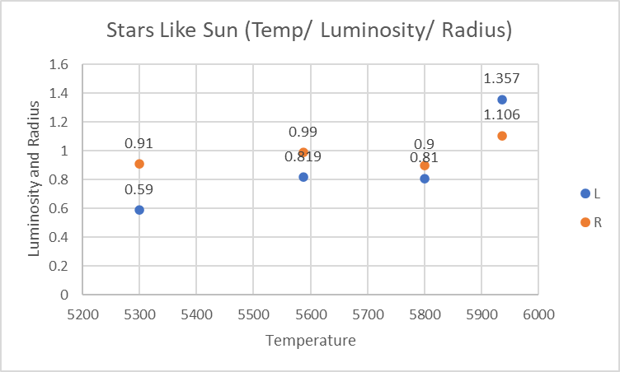

 |  | Temperature | L | R | A_M | Color | Spectral_Class | Type
 |  | 6757 | 1.43 | 1.12 | 2.41 | yellow-white | F | 3
 |  | 6380 | 1.35 | 0.98 | 2.93 | yellow-white | F | 3
 | 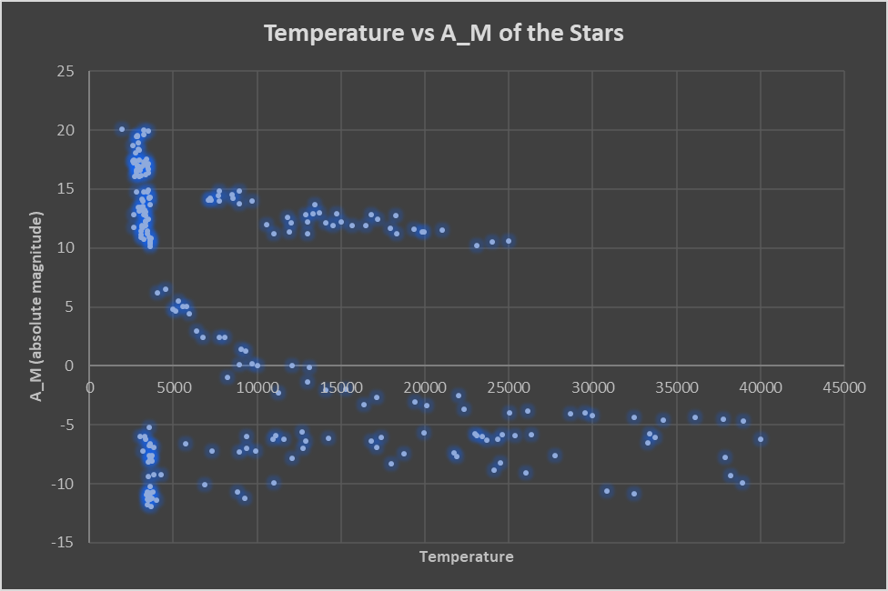 | 5936 | 1.357 | 1.106 | 4.46 | yellow-white | F | 3

The temperature of the star in the table is almost like the Sun and it is 5936 K, and temperature of the Sun is 5778 K to 6000 K according to NASA website. Luminosity of the Sun is 3.28 and the star I targeted has 1.35. Besides, the absolute magnitude of the Sun is 4.83 and the star I targeted has 4.46. The color of the spectral class is G for the Sun and F for the star. Sun is type 2 star and the targeted star is type 3. | 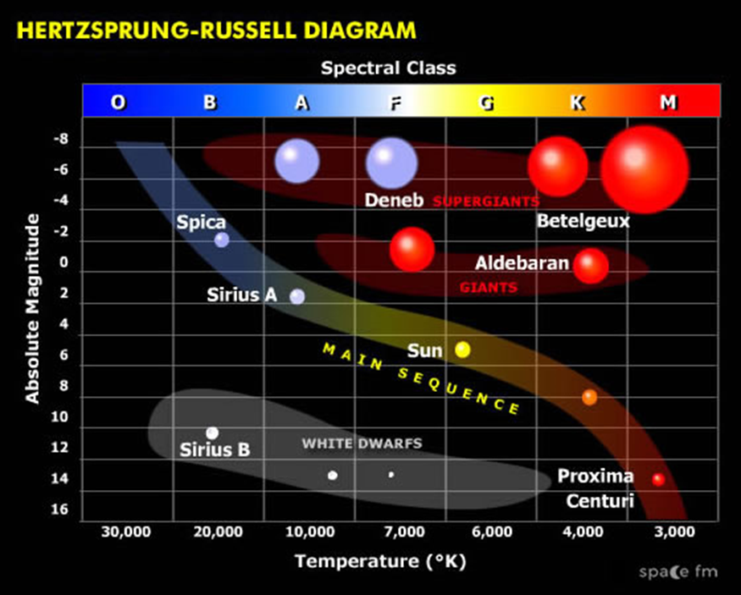

I was able to narrow down to the star which has temperature, absolute magnitude close to the sun, and there are differences for the values of the radius, luminosity and spectral class. I am positive that may be there is life for the aliens on the near by planets of the star; however, the alien might have variation in the required amount of light and energy. Recommendations for the database is to include comparison with famous stars especially the Sun because I had problem finding the correct values and units for the luminosity/ temperature/ radius/ and star type. There must be no typos in nomenclature of the colors. It will be useful to name the stars and their properties in correct units for easy conversions, comparison and contrast of two or more than two stars.

